Weekly Progress Report
 |  |  |  |  |  |  |  |  |  |  |  |  |  |  |  |  |  |  |  |  |  |  |  |  |  |  |  | Report No. | 17 | Data Date | 20-Oct-26
 |  |  |  |  | Key Dates |  |  |  |  |  | Cost Summary (SR) |  |  |  |  |  |  |  | Performance Summary |  |  |  |  |  | Project Scope
Road Development for the Support Services Area at the Second Industrial City in Makkah (Al-Akayshiyah) |  |  |  |  | Contract Award | 11-May-26 | Contract Award (Hijri) | 11/05/1447 | Revised Completion | 24-Aug-27 | Original Contract Value |  | 33,040,004 |  | O&M Value (if any) |  | 0 |  | Plan Value | 19.12% | Phys. Plan Value | 32.62% | Quality Score | 89.09% | Road Development for the Services Area at the Second Industrial City in Makkah, Al-Akayshiah (The project includes construction of Roads works & Storm Water Drainage Network)
MKH2-02-004 |  | Stage | Construction |  | Contract Sign | 25-Jun-26 | Contract Sign (Hijri) | 25/06/1447 | Committed Completion | 24-Aug-27 | Revised Contract Value |  | 33,040,004 |  | Submitted Invoices (Gross Value) |  | 6,754,935 |  | Earn Value | 33.35% | Phys. Earn Value | 45.23% |  | ¢¢¢¢¢ ¢¢¢££
Al Enjaz Trading & Contracting Co. |  | Status | Active |  | Site Handover | 25-Jun-26 | Site Handover (Hijri) | 25/06/1447 | Forecast Completion | 14-Oct-27 | Estimate At Completion Value |  | 33,040,004 |  | Penalities |  | 2,000 |  | Variance | 14.23% | Variance | 12.6% | Safety Score | 87.50%
Saudi Arabia Consulting Engineering Company "EGIS" |  | Modon PM | Engr. Abdallah Aljulaifi |  | Original Completion | 24-Aug-27 | Original Completion (Hijri) | 24/08/1448 | Variance | (51) | Potential Changes |  | 0 |  | FIR Value (Todate) |  | 9,511,215 |  | FIR % | 28.79% | Invoiced % | 20% |  | ¢¢¢¢¢ ¢¢¢££

 | Revised Planned % | Earned % | Variance
 | 0.0% | 0.0% | 0.0%
 | 0.0% | 0.0% | 0.0%
 | 0.0% | 0.0% | 0.0%
 | 23.3% | 35.5% | 12.2%
 | 13.2% | 30.3% | 17.1%
 | 0.0% | 0.0% | 0.0%
 | 0.0% | 0.0% | 0.0%
 | 0.0% | 0.0% | 0.0%
 | 0.0% | 0.0% | 0.0%
 |  |  |  |  |  |  |  |  |  |  |  |  | Physical Progress (Effort) |  |  |  |  |  |  |  |  |  |  |  | Earned Value Progress (%)
 | BOQ Value (SAR) | % Wt. | Weekly (SAR) |  | To Date (SAR) |  |  |  |  |  |  |  | Budgeted | % Wt. | Weekly Physical Progress |  |  |  | To Date Physical Progress
 |  |  | Planned | Earned | Original Plan | Revised Planned | Earned | Original Plan % | Revised Planned % | Earned % | Variance | SPI | (Manhours) |  | Planned | Earned | Plan % | Earned % | Planned | Earned | Plan % | Earned % | Variance | SPI
 | - | 0.0% | - | - | - | - | - | 0.0% | 0.0% | 0.0% | 0.0% |  | 7,892 | 3.6% | - | - | 0.0% | 0.0% | 7,892 | 7,892 | 100.0% | 100.0% | 0.0% | 1.00
 | - | 0.0% | - | - | - | - | - | 0.0% | 0.0% | 0.0% | 0.0% |  | 5,832 | 2.7% | - | - | 0.0% | 0.0% | 5,832 | 5,832 | 100.0% | 100.0% | 0.0% | 1.00
 | - | 0.0% | - | - | - | - | - | 0.0% | 0.0% | 0.0% | 0.0% |  | 4,916 | 2.2% | 362 | - | 7.4% | 0.0% | 3,784 | 2,918 | 77.0% | 59.4% | -17.6% | 0.77
 | 19,411,954 | 58.8% | 391,828.36 | 481,104.90 | 4,517,610.36 | 4,517,610.36 | 6,884,338.42 | 23.3% | 23.3% | 35.5% | 12.2% | 1.52 | 118,680 | 54.3% | 3,780 | 3,333 | 3.2% | 2.8% | 37,820 | 59,417 | 31.9% | 50.1% | 18.2% | 1.57
 | 13,628,050 | 41.2% | 450,753.64 | 1,121,733.68 | 1,799,950.30 | 1,799,950.30 | 4,135,819.20 | 13.2% | 13.2% | 30.3% | 17.1% | 2.30 | 77,910 | 35.6% | 4,820 | 5,988 | 6.2% | 7.7% | 15,970 | 22,801 | 20.5% | 29.3% | 8.8% | 1.43
 | - | 0.0% | - | - | - | - | - | 0.0% | 0.0% | 0.0% | 0.0% |  | 2,400 | 1.1% | - | - | 0.0% | 0.0% | - | - | 0.0% | 0.0% | 0.0%
 |  |  |  |  |  |  |  |  |  |  |  |  | 960 | 0.4% | - | - | 0.0% | 0.0% | - | - | 0.0% | 0.0% | 0.0%
 |  |  |  |  |  |  |  |  |  |  |  |  |  |  | 8,962 | 9,321 | 0.0% | 0.0%
 | - | 0.0% | - | - | - | - | - | 0.0% | 0.0% | 0.0% | 0.0% |  |  |  | - | - | 0.0% | 0.0% | - | - | 0.0% | 0.0% | 0.0%
Total | 33,040,004 | 100.0% | 842,582 | 1,602,839 | 6,317,561 | 6,317,561 | 11,020,158 | 19.12% | 19.12% | 33.35% | 14.23% | 1.7443691027 | 218,590 | 100.0% | 17,924 | 18,642 | 8.20% | 8.53% | 71,298 | 98,860 | 32.62% | 45.23% | 12.61% | 1.39
Earned Value - Cost
 | Baseline Plan | Revised / Recovery Plan | Earned Value | Forecast | Gross Paid Value
Jun-26 | 0.00% | 0.0% | 0.00% |  | 0.0%
Jul-26 | 1.06% | 1.1% | 3.76% |  | 3.5%
Aug-26 | 6.12% | 6.1% | 11.80% |  | 9.9%
Sep-26 | 12.84% | 12.8% | 23.31%
Oct-26 | 23.86% | 23.9% | 33.35% | 33.35%
Nov-26 | 43.78% | 43.8% |  | 51.57% | 0.0%
Dec-26 | 62.94% | 62.9% |  | 66.61% | 0.0%
Jan-27 | 80.74% | 80.7% |  | 80.74% | 0.0%
Feb-27 | 88.57% | 88.6% |  | 88.57% | 0.0%
Mar-27 | 94.92% | 94.9% |  | 94.92% | 0.0%
Apr-27 | 99.28% | 99.3% |  | 99.28% | 0.0%
May-27 | 99.95% | 100.0% |  | 99.95% | 0.0%
Jun-27 | 100.00% | 100.0% |  | 100.00%
Jul-27
Aug-27
Sep-27
Oct-27
Nov-27
Dec-27
Jan-28 | 0.00%
Feb-28
Physical Progress - Effort
 | Baseline Plan | Revised / Recovery Plan | Earned Effort % | Forecast
Jun-26 | 0.0% | 0.0% | 0.0%
Jul-26 | 6.3% | 6.3% | 1.1%
Aug-26 | 15.5% | 15.5% | 21.8%
Sep-26 | 23.9% | 23.9% | 35.4%
Oct-26 | 38.0% | 38.0% | 45.2% | 45.2%
Nov-26 | 57.7% | 57.7% |  | 63.6%
Dec-26 | 72.9% | 72.9% |  | 81.0%
Jan-27 | 85.3% | 85.3% |  | 89.4%
Feb-27 | 91.2% | 91.2% |  | 94.6%
Mar-27 | 94.6% | 94.6% |  | 96.8%
Apr-27 | 98.0% | 98.0% |  | 98.0%
May-27 | 99.0% | 99.0% |  | 99.0%
Jun-27 | 99.6% | 99.6% |  | 99.6%
Jul-27 | 99.6% | 99.6% |  | 99.6%
Aug-27 | 100.0% | 100.0% |  | 100.0%
Sep-27
Oct-27
Nov-27
Dec-27
Jan-28
Feb-28
 |  |  |  |  |  |  |  |  |  |  |  |  |  |  |  |  |  |  |  |  |  |  |  |  | Construction Milestones
 |  |  |  |  |  |  |  |  |  |  |  |  |  |  |  |  |  |  |  |  |  |  |  |  | Item No. | Milestones |  | Original (Baseline) | Latest Plan | Forecast | Status | Days Change
 |  |  |  |  |  |  |  |  |  |  |  |  |  |  |  |  |  |  |  |  |  |  |  |  | 1 | Project Commencement Date |  | 25-Jun-26 | 25-Jun-26 | 25-Jun-26 | A | 0
 |  |  |  |  |  |  |  |  |  |  |  |  |  |  |  |  |  |  |  |  |  |  |  |  | 2 | Project Completion |  | 24-Aug-27 | 24-Aug-27 | 14-Oct-27 | F | (51)
 |  |  |  |  |  |  |  |  |  |  |  |  |  |  |  |  |  |  |  |  |  |  |  |  | 3 | Completion of Mobilization |  | 23-Jul-26 | 23-Jul-26 | 15-Aug-26 | A | (23)
 |  |  |  |  |  |  |  |  |  |  |  |  |  |  |  |  |  |  |  |  |  |  |  |  | 4 | Baseline Programme Submission |  | 12-Jul-26 | 12-Jul-26 | 12-Jul-26 | A | 0
 |  |  |  |  |  |  |  |  |  |  |  |  |  |  |  |  |  |  |  |  |  |  |  |  | 5 | Submission and Approval of drawings and Materials |  | 23-Aug-26 | 23-Aug-26 | 19-Sep-26 | A | (27)
 |  |  |  |  |  |  |  |  |  |  |  |  |  |  |  |  |  |  |  |  |  |  |  |  | 6 | Completion of Road Works |  | 24-Apr-27 | 24-Apr-27 | 15-Jun-27 | F | (52)
 |  |  |  |  |  |  |  |  |  |  |  |  |  |  |  |  |  |  |  |  |  |  |  |  | 7 | Completion of Storm Water Dranage |  | 24-Feb-27 | 24-Feb-27 | 10-Apr-27 | F | (45)
 |  |  |  |  |  |  |  |  |  |  |  |  |  |  |  |  |  |  |  |  |  |  |  |  | 8 | Completion of Entire Project |  | 24-Aug-27 | 24-Aug-27 | 14-Oct-27 | F | (51)

Project Status Score
 | Max | Score
SPI (Physical Effort) | 100% | 1.39
SPI (Cost) | 100% | 1.74
On Schedule -Active | 100% | 0.88
Manpower Availability | 100% | 4.47
Major Equipment Availability | 100% | 6.78
Billing % Compared to Planned | 100% | 0.49
Safety Score | 100% | 0.84
Quality Score | 100% | 0.88
Actual Invoices
 | Monthly Gross Value
 | 1,152,426.60
 | 2,131,734.16
 | 3,470,774.34

2,251,645

 |  |  |  |  |  |  |  |  |  | Quality |  |  |  |  |  |  |  |  |  |  | Safety
 |  |  |  |  |  |  |  |  |  | Quality Reports |  |  |  |  |  |  |  |  |  |  | Safety Statistics |  |  |  |  |  |  |  | Proactive Vs Reactive Actions Taken
 | Total | Total Submitted Drawings |  |  |  |  | Remaining | Pending | Total Submittals | Quality Reports |  | Issued | Closed | Pending | Avg. Closing (Days) | Pending |  |  |  |  | Category | Item |  | This Week |  | This Month | Year to Date | Cumulative
 |  | A | B | C | D | Processed |  |  |  |  |  |  |  |  |  | 0-10 Days | 11-20 Days | 21-30 Days | 31-60 Days | > 60 Days
 | 1 | 0 | 1 | 0 | 0 | 1 | 0 | 0 | 1 |  |  |  |  |  |  |  |  |  |  |  | General | Total Hours Worked |  | 2,976 |  | 11,136 | 36,989 | 36,989 |  |  | Proactive | 42
 | 11 | 0 | 11 | 0 | 0 | 11 | 0 | 0 | 11 | Non Conformance (NCR) |  | 0 | 0 | 0 | 0 | 0 | 0 | 0 | 0 | 0 |  | Safe Hours Worked |  | 2,976 |  | 11,136 | 36,989 | 36,989 |  |  | Reactive | 1
 | 0 | 0 | 0 | 0 | 0 | 0 | 0 | 0 | 0 | Site Instruction (SIR/SOR) |  | 1 | 1 | 0 | 2 | 0 | 0 | 0 | 0 | 0 | Reactive | LTI |  | 0 |  | 0 | 0 | 0
 | 0 | 0 | 0 | 0 | 0 | 0 | 0 | 0 | 0 | Material Inspection (MRIR) |  | 42 | 42 | 0 | 4 | 0 | 0 | 0 | 0 | 0 |  | MTC (Healed w/o Disability) |  | 0 |  | 0 | 0 | 0
 | 0 | 0 | 0 | 0 | 0 | 0 | 0 | 0 | 0 | Field Inspection (FIR) |  | 204 | 175 | 29 | 4 | 17 | 0 | 0 | 0 | 0 |  | MTC (Healed w/ Disability) |  | 0 |  | 0 | 0 | 0
 | 12 | 0 | 12 | 0 | 0 | 12 | 0 | 0 | 12 | Key Submittals Approval Status |  |  |  |  |  |  |  |  |  |  |  | Near Miss |  | 0 |  | 1 | 1 | 1
 |  |  |  |  |  |  |  |  |  | 1 Quality Plan Approval |  |  | 19-Jul-26 |  | 6 Baseline Approval |  |  |  | 13-Jul-25 |  |  | First Aid Cases |  | 0 |  | 0 | 0 | 0 | Total Hours Worked Vs Safe Hours Worked
 | Total | Total Submitted Material |  |  |  |  | Remaining to approve | Pending | Total Submittals | 2 Quality Plan Last Up |  |  | 46222 |  | 7 No of Approved Version of Schedule |  |  |  | 1 |  |  | Fatality |  | 0 |  | 0 | 0 | 0
 |  | A | B | C | D | Processed |  |  |  | 3 Safety Plan Approval |  |  | 14-Jul-26 |  | 8 Last Approved Schedule |  |  |  | 13-Jul-25 |  |  | Fire Incident Cases |  | 0 |  | 0 | 0 | 0
 | 0 | 0 | 0 | 0 | 0 | 0 | 0 | 0 | 0 | 4 Safety Plan Last Up |  |  | 14-Jul-26 |  | 9 BOQ Approval Date |  |  |  | 0 |  |  | Vehicle Incident |  | 0 |  | 0 | 0 | 0
 | 23 | 0 | 22 | 0 | 1 | 22 | 0 | 0 | 23 | 5 Execution Plan Approval |  |  | 15-Jul-26 |  | 10 No of Approved Version of BOQ |  |  |  | 0 |  |  | Property Damages |  | 0 |  | 0 | 0 | 0
 | 19 | 0 | 18 | 0 | 1 | 18 | 0 | 0 | 19 | Invoices Summary |  |  |  |  |  |  |  |  |  |  | Proactive | Induction Training |  | 0 |  | 1 | 4 | 4
 | 0 | 0 | 0 | 0 | 0 | 0 | 0 | 0 | 0 | Total Submitted Invoices |  | 0 | Submitted Invoices (SAR) |  |  | 7,768,175 |  | Contract Value (SR) | 33,040,004 |  |  | No.of Internal Training |  | 2 |  | 5 | 19 | 19
 | 0 | 0 | 0 | 0 | 0 | 0 | 0 | 0 | 0 | PM Approved Invoices |  | 3 | PM Approved Invoices (SAR) |  |  | 7,770,175 |  | Planned Value (SR) | 6,317,561 |  |  | No.of Internal Audit |  | 0 |  | 0 | 1 | 1
 | 42 | 0 | 40 | 0 | 2 | 40 | 0 | 0 | 42 | No of Paid Invoices |  | 2 | Paid Invoices (SAR) |  |  | 3,778,785 |  | Earned Value (SR) | 11,020,158 |  |  | No. of Toolbox Talks |  | 1 |  | 4 | 18 | 18
 |  |  |  |  |  |  |  |  |  | No of Pending Invoices |  | 1 | Last Submitted Period |  |  |  |  | Submitted (SAR) | 7,768,175 |  |  | Safety Awards/Incentives |  | 0 |  | 0 | 0 | 0
 | Total Materials | Total Number of P.O. | Actual P.O. To Date | Remaining P.O | Material on Site | Remaining Materials | Material Delivery Completion (Date) |  |  | Advance Payment % |  | 0% | Advance Payment (SAR) |  |  | 0 |  | PM Approved (SAR) | 7,770,175 |  | Latest Contract Change Order Log
 |  |  |  |  |  |  |  |  |  | Retention % |  | 0% | Retention (SAR) |  |  | 0 |  | Total Paid (SAR) | 3,778,785
 | 0 | 0 |  | 0 | 0 | 0 | 0 |  |  | Deduction / Penalties % |  | 0% | Deduction / Penalties (SAR) |  |  | 2,000 |  |  |  |  | CCO No. | Date Added | Description of Change |  |  |  |  | Status | Cost | Sch Impact (Months) | Date Approved | Duration
 | 6 | 6 | 1 | 5 | 1 | 5 | 30-Nov-26 |  |  | Resources at Site
 | 3 | 3 | 3 | 0 | 3 | 0 | 12-Sep-26 |  |  | Head Count - Non Manual |  |  |  | Head Count - Manual |  |  |  | Total Head Count |  |  | 0 | 0 | 0 |  |  |  |  | 0 | 0 | 0 | 0 | 0
 | 0 | 0 | 0 | 0 | 0 | 0 | 0 |  |  | Planned | Actual | Next Month Forecast | Saudi Staff | Planned | Actual | Next Month Forecast | Saudi Staff | Total Plan | Total Actual | Variance
 | 0 | 0 | 0 | 0 | 0 | 0 | 0 |  |  | 13 | 27 | 13 | 0 | 15 | 67 | 169 | 0 | 28 | 94 | 66
 | 9 | 9 | 4 | 5 | 4 | 5 | 30-Nov-26 |  |  | Manpower Breakdown by Trade |  |  |  |  |  |  | Major Equipment
 | Plan - Monthly | Actual - Monthly | Forecast - Monthly
Jun-26 | 0
Jul-26 | 15 | 41
Aug-26 | 82 | 50 | 82
Sep-26 | 90 | 63 | 90
Oct-26 | 145 | 68 | 145
Nov-26 | 169 |  | 169
Dec-26 | 161 |  | 161
Jan-27 | 125 |  | 125
Feb-27 | 65 |  | 65
Mar-27 | 40 |  | 40
Apr-27 | 38 |  | 38
May-27 | 13 |  | 13
Jun-27 | 2 |  | 2
Jul-27
Aug-27
 |  |  |  |  |  |  |  |  |  | Key Trade | Planned | Actual |  |  |  |  | Type | Planned | Actual | Idle
 |  |  |  |  |  |  |  |  |  | General Labor | 6 | 6 |  |  |  |  | Excavator | 0 | 7 | 0
 |  |  |  | Active Schedule Activities |  |  |  |  |  | Carpenter | 0 | 0 |  |  |  |  | Loader | 0 | 6 | 0 | Major Quantity Trackers
Not Started | In Progress | Completed | % | Active | Ahead | On | Behind | Flag | 0 | Plumber | 0 | 0 |  |  |  |  | Dozer | 2 | 10 | 0 | BOQ N0. | Item Description |  |  |  |  | Total Qty | Measu Unit | Plan to Date | Act to Date | Remaining | Variance
199 | 34 | 148 | 38.85% | 34 | 30 | 0 | 4 | 26 |  | Operator | 4 | 34 |  |  |  |  | Dump Truck | 4 | 20 | 0 | B1.31 22 00.01 | Roadway Excavation for cuttings (all types of soil) |  |  |  |  | 252114.84 | m³ | 148344.47 | 222090.04 | 30024.80 | 73745.57
 |  | Free Float Management (Total) |  |  |  | Failed Start Activities |  |  |  | Steel Fixer | 0 | 0 |  |  |  |  | Crane | 0 | 3 | 0 | B1.31 22 00.02 | Embankments to the ROW with common / suitable excavated material or with suitable imported material |  |  |  |  | 221841.34 | m³ | 130531.24 | 183569.40 | 38271.94 | 53038.16
 |  | Greater Than 14 Days |  | Less Than 14 Days |  |  |  |  |  | Mason | 0 | 0 |  |  |  |  | Grader | 0 | 4 | 0 | B1.31 22 00.05 | Subgrade |  |  |  |  | 21604.00 | m³ | 0.00 | 0.00 | 21604.00 | 0.00
This Week | Diff | Last Week | This Week | Last Week | This Week | Last Week | This Week | Flag | 0 | Others | 5 | 27 |  |  |  |  | Other | 3 | 11 | 0 | B1.32 11 23.01 | Aggregate base course |  |  |  |  | 14403.00 | m³ | 0.00 | 0.00 | 14403.00 | 0.00
168 | 15 | 24 | 22 | 215 | 211 | 25 | 29 | -4 |  | Total | 15 | 67 |  |  |  |  | Total | 9 | 61 | 0 | B1.32 11 26.01 | Bituminous base course (Grading I - Class A), including Prime Coat (MC1) and tack coat (RC2) (if any) |  |  |  |  | 7129.00 | m³ | 0.00 | 0.00 | 7129.00 | 0.00
 |  |  |  |  |  |  |  |  |  |  |  |  |  |  | Top Issues and Risks
 |  |  |  | Installation of Manhole Works at Local 29 for Storm Drainage |  |  |  |  |  | Cutting Works for Local 17 |  |  |  |  | Top 5 Issues
 |  |  |  |  |  |  |  |  |  |  |  |  |  |  | Issue No | Date Identified | Issue Description |  |  |  | Responsible | Action Taken |  |  | Mitigation |  |  |  |  | Current Status | Expected/Actual Closure | Duration Elapsed
 |  |  |  |  |  |  |  |  |  |  |  |  |  |  | 1 |  |  |  |  |  |  |  |  |  |  |  |  |  |  |  |  | 0
 |  |  |  |  |  |  |  |  |  |  |  |  |  |  | 2 |  |  |  |  |  |  |  |  |  |  |  |  |  |  |  |  | 0
 |  |  |  |  |  |  |  |  |  |  |  |  |  |  | 3 |  |  |  |  |  |  |  |  |  |  |  |  |  |  |  |  | 0
 |  |  |  |  |  |  |  |  |  |  |  |  |  |  | 4 |  |  |  |  |  |  |  |  |  |  |  |  |  |  |  |  | 0
 |  |  |  |  |  |  |  |  |  |  |  |  |  |  | 5

Weekly Photos
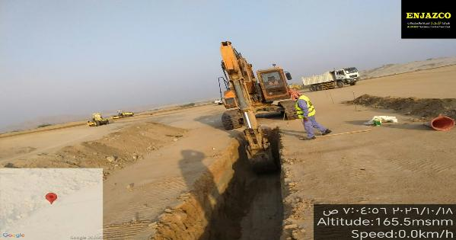
Date | 20-Oct-26

Cutting Works for Local 17 |  | Subgrade Works for Local 28
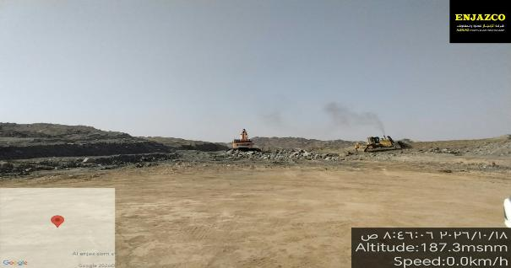
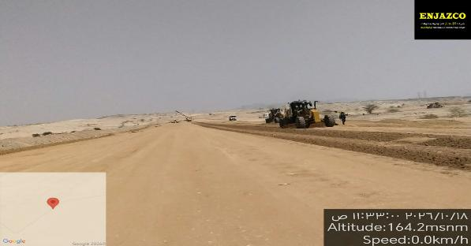

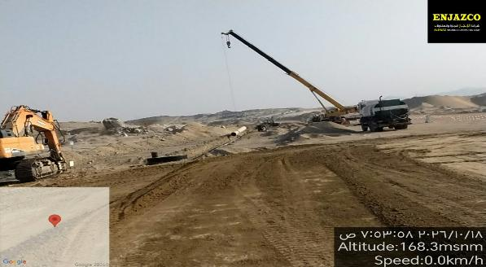
Excavation Works at Local 29 for Storm Drainage |  | Installation of Manhole Works at Local 29 for Storm Drainage

Risk Register

Department: |  |  |  |  |  |  |  |  | Status Date:
Program |  |  |  |  |  |  |  |  | 20-Oct-26
Project: |  |  | Road Development for the Support Services Area at the Second Industrial City in Makkah (Al-Akayshiyah)
Project No.: |  |  | MKH2-02-004
Project Location: |  |  | MAKKAH 2nd INDUSTRIAL CITY

 |  |  |  |  |  |  |  |  |  |  |  |  |  |  |  | Before Treatment |  |  |  |  |  |  |  |  |  |  | Post Treatment
Risk Data |  |  |  |  |  | Category |  |  | Risk Description |  |  | Risk Control Dates |  | Risk Manageability | Risk Proximity | Most Likely |  |  | Risk Owner | Risk Response & Treatment Action |  |  |  | Treatment Control Dates |  |  | Most Likely |  |  | Treatment Status
Risk ID | Region | Section / Group | City | Project ID | Risk Status | T/O/I | Internal/External | Category | Cause / Source | Risk | Consequence / Effect | Identified | Closed |  |  | Liklihood | Impact | Risk Score |  | Risk Response Strategy | Treatment Action | Treatment Acton Description | Treatment Action Owner | Start | Due | Closed | Liklihood | Impact | Risk Score
MKH2-02-004-01 | Western | Western | Makkah | MKH2-02-004 | Close | Threat | Internal | Safety / Quality |  | Fall into excavation pit, causing injury to workers. | Delay in Construction Works | 25-Jul-2026 |  | Moderate | Imminent | High | Very High | H20 | Contractor | Treat | Mitigation | Set up barricades around excavation areas less than 3 meters deep, provide warning signs, and assign a supervisor to monitor the area. | Contractor | 25-Jul-26 |  |  | High | High | H16 | Open
MKH2-02-004-02 | Western | Western | Makkah | MKH2-02-004 | Close | Threat | Internal | Safety / Quality |  | Vehicle accidents due to improper traffic management. | Delay in Construction Works | 25-Jul-2026 |  | Moderate | Imminent | High | High | H16 | Contractor | Treat | Mitigation | Implement proper traffic diversion signs, barriers, and personnel to manage traffic flow around the worksite. | Contractor | 25-Jul-26 |  |  | High | High | H16 | Open
MKH2-02-004-03 | Western | Western | Makkah | MKH2-02-004 | Close | Threat | External | Safety / Quality |  | Accidents or errors during operations due to operator incompetence. | Delay in Construction Works | 25-Jul-2026 |  | Moderate | Imminent | High | High | H16 | Contractor | Treat | Mitigate | Provide comprehensive training programs, implement competency assessments, and establish strict supervision protocols for operators. | Contractor | 25-Jul-26 |  | 19-Apr-26 | High | High | H16 | Open
MKH2-02-004-04 | Western | Western | Makkah | MKH2-02-004 | Close | Threat | Internal | Safety / Quality |  | Contamination of soil and potential harm to surrounding ecosystems. | Delay in Construction Works | 25-Jul-2026 |  | Ease | Imminent | Medium | Medium | M9 | Contractor | Treat | Mitigate | Implement spill response plans, conduct regular maintenance on equipment, provide training on proper handling procedures, and install containment measures to prevent spillage. | Contractor | 25-Jul-26 |  |  | Medium | Medium | M9 | Open
 | Western | Western | Makkah | MKH2-02-003 | Open | Threat | Internal | Design / Planning |  |  |  |  |  | Moderate | Imminent | Very High | Very High | H25 |  | Treat | Mitigate |  |  |  |  |  | Very High | Very High | H25 | Open
 | Eastern | Western | Makkah | MKH2-02-003 | Open | Threat | Internal | Scope / Requirments / Contractual |  |  |  |  |  | Moderate | Imminent | High | Low | M8 |  | Treat | Mitigate |  |  |  |  |  | Medium | Medium | M9 | Open
 | Western | Western | Makkah | MKH2-02-003 | Open | Threat | Internal | Scope / Requirments / Contractual |  |  |  |  |  | Moderate | Imminent | High | Very High | H20 |  | Terminate | Mitigate |  |  |  |  |  | Very High | Very High | H25 | Open
 | Western | Western | Makkah | MKH2-02-003 | Open | Threat | Internal | Scope / Requirments / Contractual |  |  |  |  |  | Moderate | Imminent | High | High | H16 |  | Treat | Mitigate |  |  |  |  |  | Medium | Medium | M9 | Open
 |  |  |  |  |  | Threat | Internal | Safety / Quality |  |  |  |  |  | Ease | Med Term | High | High | H16 |  | Treat | Mitigate |  |  |  |  |  | Medium | Medium | M9 | Open
 |  |  |  |  |  | Threat | Internal | Safety / Quality |  |  |  |  |  | Ease | Med Term | Medium | High | M12 |  | Treat | Mitigate |  |  |  |  |  | Medium | Medium | M9 | Open
 |  |  |  |  |  | Threat | External | Design / Planning |  |  |  |  |  | Ease | Med Term | High | High | H16 |  | Transfer | Mitigate |  |  |  |  |  | Very High | Very High | H25 | Open
 |  |  |  |  |  | Threat | Internal | Design / Planning |  |  |  |  |  | Moderate | Med Term | Very High | Very High | H25 |  | Terminate | Mitigate |  |  |  |  |  | Very High | Very High | H25 | Open

NOTES:
Risk Status: 1.Open, 2.Closed, or 3.Realized
T/O/I: 1.Threat, 2.Opportunity, or 3.Issue

Category (select 1):
1. Political
2. Legal, Regulatory, Compliance
3. Funding, Finance, Budget
4. Management, Governance, Policies, KPI, Performance
5. Human Resources |  |  |  |  |  |  |  |  |  |  |  |  |  |  |  |  |  |  |  |  |  | `
6. Stakeholders, Authorities, Approvals, Permits
7. Requirements, Specifications, Scope, Procurement, Contract
8. Process, Tools, Technique, Technology
9. Design, Engineering
10. Construction, Execution
11. Testing, Commissioning, Handover
12. Operation, Maintenance

Risk Description (add all 3):
1. Source/Cause
2. Event = Threat, Opportunity, or Issue
3. Consequence/Effect

Risk Response Strategy for Threats: 1.Terminate, 2.Tolerate, 3.Transfer, or 4.Treat
Risk Response Strategy for Opportunities: 1.Ignore, 2.Share, or 3.Enhance/Exploit
Treatment Action: 1.Mitigate, 2.Control, or 3.Fall Back
Treatment Status: 1.Unapproved, 2.Active, or 3.Closed

Risk Level/Score: Likelihood x Highest Impact (Safety, Cost, Schedule, Environment, Quality, or Reputation. See Risk Scoring Matrix tab)

Manpower
MANUAL MANPOWER HISTOGRAM
 | Plan - Monthly | Actual - Monthly | Forecast - Monthly
Jun-26 | 0
Jul-26 | 15 | 41
Aug-26 | 82 | 50 | 82
Sep-26 | 90 | 63 | 90
Oct-26 | 145 | 68 | 145
Nov-26 | 169 |  | 169
Dec-26 | 161 |  | 161
Jan-27 | 125 |  | 125
Feb-27 | 65 |  | 65
Mar-27 | 40 |  | 40
Apr-27 | 38 |  | 38
May-27 | 13 |  | 13
Jun-27 | 2 |  | 2
Jul-27
Aug-27
Head-Count ( Non Manual)
MONTHS | Jun-26 | Jul-26 | Aug-26 | Sep-26 | Oct-26 | Nov-26 | Dec-26 | Jan-27 | Feb-27 | Mar-27 | Apr-27 | May-27 | Jun-27 | Jul-27 | Aug-27
Plan - Monthly | 13 | 13 | 13 | 13 | 13 | 13 | 13 | 13 | 13 | 13 | 13 | 13 | 13 | 13 | 13
Planned - Cumulative | 13 | 26 | 39 | 52 | 65 | 78 | 91 | 104 | 117 | 130 | 143 | 156 | 169 | 182 | 195
Actual - Monthly |  | 18 | 17 | 17 | 16
Actual Cumulative | 0 | 18 | 35 | 52 | 69 | 69 | 69 | 69 | 69 | 69 | 69 | 69 | 69 | 69 | 69
Forecast - Monthly |  |  | 13 | 13 | 13 | 13 | 13 | 13 | 13 | 13 | 13 | 13 | 13 | 13 | 13
Saudi Monthly - Actual | 0 | 3
Head-Count (Manual)
MONTHS | Jun-26 | Jul-26 | Aug-26 | Sep-26 | Oct-26 | Nov-26 | Dec-26 | Jan-27 | Feb-27 | Mar-27 | Apr-27 | May-27 | Jun-27 | Jul-27 | Aug-27
Plan - Monthly | 0 | 15 | 82 | 90 | 145 | 169 | 161 | 125 | 65 | 40 | 38 | 13 | 2
Planned - Cumulative | 0 | 15 | 97 | 187 | 332 | 501 | 662 | 787 | 852 | 892 | 930 | 943 | 945
Actual - Monthly |  | 41 | 50 | 63 | 68
Actual Cumulative | 0 | 41 | 91 | 154 | 222 | 222 | 222 | 222 | 222 | 222 | 222 | 222 | 222
Forecast - Monthly |  |  | 82 | 90 | 145 | 169 | 161 | 125 | 65 | 40 | 38 | 13 | 2
Saudi - Actual | 0 | 0 | 0 | 0 | 0 | 0 | 0 | 0 | 0 | 0 | 0 | 0 | 0

Head-Count (Non-Manual) |  |  |  |  |  |  |  |  |  |  |  |  |  |  |  |  |  |  |  |  |  | Month | Oct-26 | Nov-26
Planned | Actual |  | Variance |  | Forecast Next Month |  | Saudi Staff
13 | 27 |  | 14 |  | 13 |  | 0

Head-Count (Manual) |  |  |  |  |  |  |  |  |  |  | Man Power by Trade
Planned | Actual |  | Variance |  | Forecast Next Month |  | Saudi Staff |  |  |  | Key Trade |  | General Labor |  | Carpenter | Plumber | Operator | Steel Fixer | Mason | Others | Total
145 | 68 |  | (77) |  | 169 |  | 0 |  |  |  | Plan |  | 6 |  | 0 | 0 | 4 | 0 | 0 | 5 | 15
 |  |  |  |  |  |  |  |  |  |  | Actual |  | 6 |  | 0 | 0 | 34 | 0 | 0 | 27 | 67

EQUIPMENT HISTOGRAM
 | Plan - Monthly | Actual - Monthly | Forecast - Monthly
Jun-26 | 0
Jul-26 | 9 | 37
Aug-26 | 51 | 44
Sep-26 | 56 | 57 | 56
Oct-26 | 80 | 62 | 80
Nov-26 | 91 |  | 91
Dec-26 | 74 |  | 74
Jan-27 | 46 |  | 46
Feb-27 | 20 |  | 20
Mar-27 | 14 |  | 14
Apr-27 | 10 |  | 10
May-27 | 2 |  | 2
Jun-27
Jul-27
Aug-27

Equipment
MONTHS | Jun-26 | Jul-26 | Aug-26 | Sep-26 | Oct-26 | Nov-26 | Dec-26 | Jan-27 | Feb-27 | Mar-27 | Apr-27 | May-27 | Jun-27 | Jul-27 | Aug-27
Plan - Monthly | 0 | 9 | 51 | 56 | 80 | 91 | 74 | 46 | 20 | 14 | 10 | 2
Planned - Cumulative | 0 | 9 | 60 | 116 | 196 | 287 | 361 | 407 | 427 | 441 | 451 | 453
Actual - Monthly |  | 37 | 44 | 57 | 62
Actual Cumulative | 0 | 37 | 81 | 138 | 200 | 200 | 200 | 200 | 200 | 200 | 200 | 200
Forecast - Monthly |  |  |  | 56 | 80 | 91 | 74 | 46 | 20 | 14 | 10 | 2

Equipment Count
Planned | Actual |  | Idle |  | Variance |  | Forecast Next Month
80 | 62 |  |  |  | (18) |  | 91

Type | Excavator |  | Loader |  | Dozer |  | Dump Truck |  | Crane |  | Grader |  | Other |  | Total
Plan | 0 |  | 0 |  | 2 |  | 4 |  | 0 |  | 0 |  | 3 |  | 9
Actual | 7 |  | 6 |  | 10 |  | 20 |  | 3 |  | 4 |  | 11 |  | 61
Idle |  |  |  |  |  |  |  |  |  |  |  |  |  |  | 0

Progress Summary
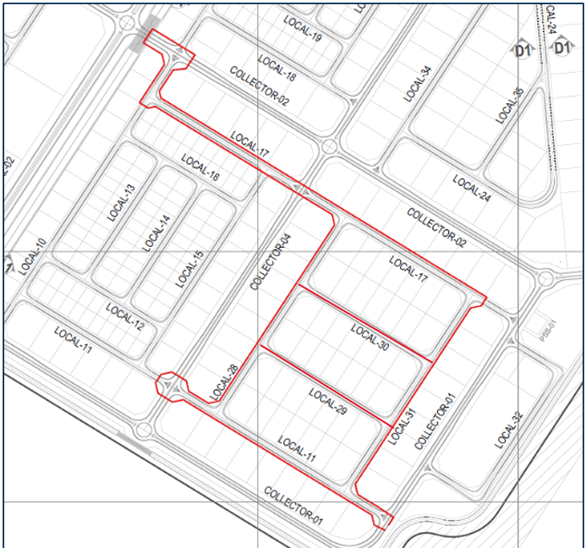
تقدم سير تطوير الطرق لمنطقة الخدمات المساندة بالمدينة الصناعية الثانية بمكة المكرمة (العكيشية)
معلومات المشروع |  |  |  | نطاق المشروع |  |  |  |  | موقع المشروع
المقاول | شركة الإنجاز للتجارة والمقاولات | الاستشاري | شركة ايجس السعودية للاستشارات الهندسية | البند | الكمية الكلية (م.ط) | الكمية المنفذة (م.ط) | الكمية المتبقية (م.ط) | نسبة المنفذ
تاريخ استلام الموقع | 25 يونيو 2026 | مدة التنفيذ | 14 شهرًا ميلاديًا | أعمال الطرق (Road) | 5,708 | 2,024 | 3,684 | 35%
بداية العقد | من تاريخ استلام الموقع | قيمة العقد (شامل ضريبة القيمة المضافة) | 37,996,004.60 ريال | تصريف السيول والأمطار | 5,855 | 1,778 | 4,077 | 30%
نسبة الإنجاز المخطط له | 19.12% | نسبة الإنجاز الفعلي | 33.35%

ملخص جدول الكميات
مكونات المشروع |  | التكلفة (غير شامل ضريبة القيمة المضافة) | النسبة الاجمالية
أعمال الطرق |  | 19,411,954 | 59%
تصريف السيول والأمطار |  | 13,628,050 | 41%

 |  |  |  | ملخص التوريدات |  |  |  |  | تقدم أعمال layout
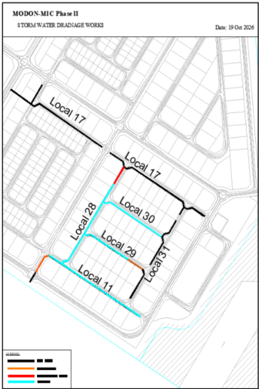
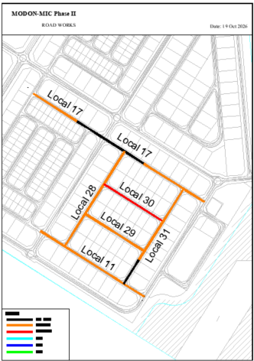
 |  |  |  | البند | الكمية الكلية (م.ط) | الكمية المورده (م.ط) | الكمية المتبقية (م.ط) | نسبة التوريد
 |  |  |  | طبقة أساس حصوية | 26,167 | - | 26,167 | 0%
 |  |  |  | الطبقة الأساس البيتومينية | 9,160 | - | 9,160 | 0%
 |  |  |  | بردورات مسبقة الصب | 25,452 | - | 25,452 | 0%
 |  |  |  | بلاطات متداخل انترلوك مسبقة الصب | 29,206 | - | 29,206 | 0%
 |  |  |  | العلامات الأرضية | 5,668 | - | 5,668 | 0%
 |  |  |  | اللوحات الإرشادية للطرق | 171 | 171 | - | 100%
 |  |  |  | المواسير الدائرية (GRP) | 5,855 | 5,855 | - | 100%
الإجمالي |  | 33,040,004 | 100% | أحواض تجميع مفردة لمياه الأمطار | 156 | 110 | 46 | 70.51%
معالم البرنامج الزمني |  |  |  | مانهولات من الخرسانة لدخول المياه | 82 | 82 | - | 100%
البند |  | التاريخ حسب الجدول الزمني | ملاحظة
اتاريخ بدء المشروع |  | 25-Jun-26 | تم الإنتهاء
تاريخ إنجاز المشروع |  | 24-Aug-27 | لم يبدأ | التحديات والعوائق
إتمام عمليات الحشد |  | 23-Jul-26 | تم الإنتهاء
تقديم خطة العمل |  | 12-Jul-26 | تم الإنتهاء
تقديم واعتماد الرسومات والمواد |  | 23-Aug-26 | جاري أعمال التنفيذ
إنجاز أعمال الطرق |  | 27-Apr-27 | جاري أعمال التنفيذ
إنجاز أعمال تصريف مياه الأمطار |  | 24-Feb-27 | جاري أعمال التنفيذ | 6-
إنجاز المشروع بالكامل |  | 24-Aug-27 | لم يبدأ | 7-
 |  |  |  | 8-
 |  |  |  | 9-
 |  |  |  | 10-

